CoverSheet
Toxic Release Inventory (TRI) Guidance Tool

Any Chicken Company
Poultry Processing Plant
Any City, Any State
2017-06-01

This spreadsheet (Tool) is intended to be used as a guide to assist environmental managers, etc. with TRI reporting. This Tool was produced by US Poultry & Egg Association, with assistance from Woodruff & Howe Environmental Engineering, Inc. (WHEE), for the use of its members as a TRI reporting estimation tool. The proper use of this Tool requires extensive knowledge of the applicable rules and regulations. In addition, the user must have an understanding of the limitations of the sampling, metering and analytical data utilized in preparing the information for this reporting. Users should verify all calculations before submittal to regulatory agencies. US Poultry & Egg Association and WHEE are not liable for errors, omissions or incorrect usage of this Tool.


2nd Release: January 2018

Ammonia & Nitrate Assumptions
Assumptions made for threshold determination calculations of Ammonia and Nitrate Compounds
This Tool broadly classifies Facility Wastewater Treatment Systems as having Aerobic Biological Treatment or not having Aerobic Biological Treatment.
Aerobic Biological Treatment System (e.g., activated sludge, CMAS, SBR, etc.)
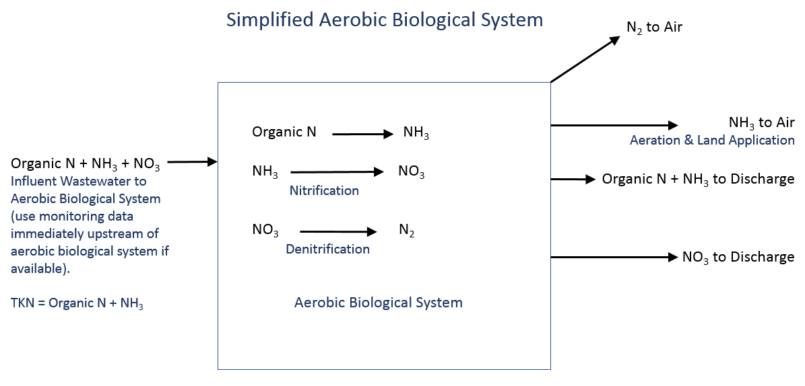

Data Needed for Input
 | ● Influent Data is preferred to be taken immediately upstream of the Aerobic Biological Component (downstream of the DAF). If there is no upstream monitoring data available, the Table below may be used as a guideline. Influent TKN Data is required to be Input. Influent NO3 data is not required as the Tool assumes influent NO3 was generated offsite.
 | ● Effluent Data (TKN, NH3 and NO3) from the Aerobic Biological Component is required. Typically this data comes from Permit required monitoring (to LAS, UIC, POTW, non-discharge, etc.).

Assumptions
 | ● Based on the influent and effluent data provided, the Tool assumes a portion of the organic nitrogen will convert to NH3, that a portion of the NH3 will further convert to NO3 and a portion of the NO3 will denitrify to N2 gas. The NH3 "manufactured" is the result of organic nitrogen converting to NH3. The NO3 "manufactured" is the result of the NH3 converting to NO3.

System without Aerobic Biological Treatment
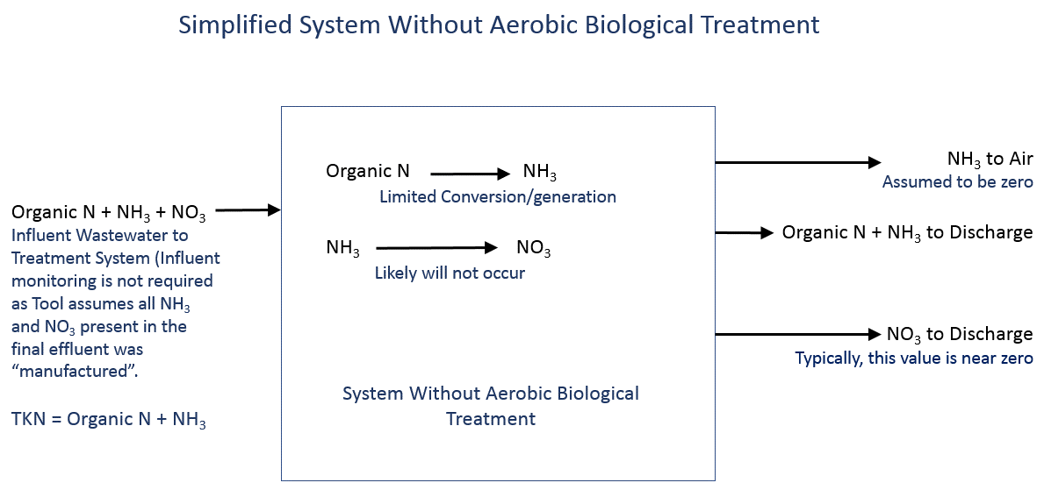

Data Needed for Input
 | ● Final effluent Data (TKN and NH3) from the Treatment System is required. Typically this data comes from Permit required monitoring (to POTW, etc.). If effluent NO3 data is available, it shall be input. Often for systems without aerobic biological treatment, the effluent NO3 is zero or near zero.
 | ● Influent Data to the treatment system is not required as any NH3 and NO3 present if the final effluent is assumed to have been "manufactured" either during Plant operations or wastewater treatment operations. However, if influent NO3 data is available, it should be input.

Assumptions
 | ● The Tool assumes that any NH3 and NO3 present in the final effluent was "manufactured" upstream, either in the Plant or during wastewater treatment (EQ, DAF, etc.). NO3 present in the final effluent is assumed to have been first converted "manufactured" to NH3 before being converted to NO3.

 | Screened Wastewater | DAF Effluent | DAF Effluent w/ Chemicals | Anaerobic Effluent
 | mg/L | mg/L | mg/L | mg/L
TKN | 150 | 130 | 100 | 100
NH3 | 50 | 40 | 30 | 90
Data in the above Table taken from the "Poultry Wastewater Operators Training Manual" prepared by John Starkey and the U.S. Poultry & Egg Association, 2003.

Additional Reporting Guidance
Additional Reporting Guidance
How do I determine if a chemical is subject to TRI Reporting?
Consult the EPA TRI current list of reportable chemicals and the most recent version of the EPA's List of Lists - Consolidated List of Chemicals Subject to the Emergency Planning and Community Right-to-Know Act, Comprehensive Environmental Response, Compensation and Liability Act and Section 112(r) of the Clean Air Act. Find the chemical in the List and check to see if the "Section 313" column is marked. Unlisted chemicals and chemicals for which this column is unmarked, are not subject to TRI Reporting.

Applicability of Reporting using Form A
A Form A may be used when:
 | ● The manufacture, process and otherwise use of the chemical is cumulatively less than 1 million pounds (known as the alternate threshold of 1 million pounds).
 | ● The total annual reportable amount is less than or equal to 500 pounds.

The total annual reportable amount is equal to the combined total quantities of the following waste management activities:
 | ● released at the Facility,
 | ● treated at the Facility (represents amounts destroyed or converted by treatment processes),
 |  | Peracetic acid can be "treated" via chemical/physical processes (such as the addition of sodium metabisulfite or DAF treatment) or via biological treatment.
 |  | Chlorine may be "treated" with dechlorination processes (i.e., sulfur dioxide).
 |  | For example, if a Facility treats/removes 1 ppm of chlorine with a average flow of 1 MGD for 250 days/year, this equates to over 2,000 pounds "treated" per year, and a Form A would not be applicable.
 | ● recovered at the Facility as a result of recycling operations,
 | ● combusted for energy recovery at the Facility,
 | ● amounts transferred off-site for the purpose of recycling, energy recovery, treatment and/or disposal.

A Facility using a Form A should maintain documentation to show that the annual reportable amount is less than 500 pounds per year.

Form R Data Inputs
● The information/commentary below is intended to be a guide to help complete Form R's. Subject to vary by Facility.
● Refer to the US EPA "Toxic Chemical Release Inventory Forms and Instructions" document that is updated for each reporting year for additional information.
● For inputting numeric values, it is recommended the numbers be rounded for convenience. EPA typically only requires two significant figures. For example, if fugitive or non-point air emissions are calculated to be 17,184.2 lbs, this value should be rounded to 17,000 lbs.

Activities and Uses of the Toxic Chemical at the Facility
Ammonia
● For wastewater pretreatment/treatment systems, ammonia is considered "Manufactured-Produced as a byproduct."
● For ammonia purchased for refrigeration systems, ammonia is considered "Otherwise use - as a manufacturing aid"
Nitrate Compounds
● For typical biological wastewater treatment systems, nitrate compounds are considered "Manufactured-Produced as a byproduct"
Peracetic Acid
● Typically, "Otherwise use - as a manufacturing aid"

Maximum Amount of the Toxic Chemical On-Site at Any Time During the Calendar Year

 | Indicate the range code for the maximum quantity of the chemical onsite at any time during the calendar year.

Quantity of the Toxic Chemical Entering Each Environmental Medium On-Site
 | For Basis of Estimate codes, refer to Instructions. Code 'O' is sufficient for most instances.
 | Feel free to use range codes, instead of numerical values, where applicable.

 | Fugitive or non-point air emissions
 | Includes all air releases, unless releases pass through stack.

 | Stack or point air emissions
 | Air emissions that pass through a stack.

 | Discharges to receiving streams or water bodies
 | ● This includes direct discharges and stormwater runoff. This spreadsheet assumes all outfalls discharge to the same receiving stream. If your Facility discharges to multiple receiving streams, adjustments will be needed.
 | ● If stormwater outfall monitoring data for NH3 and NO3 is input, this Tool assumes that all of the NH3 and NO3 were "manufactured" onsite as a result of the industrial activity occurring onsite (and not from background/natural sources).
 | ● Percent from Stormwater: From EPA guidance "If your facility has no stormwater monitoring data for the chemical, you should check the NA box". If you have no direct discharges (i.e., NPDES permitted discharge) to receiving streams and you have NH3 monitoring data for the stormwater runoff, you may input 100% from stormwater. If you have a direct discharge (i.e., NPDES permitted discharge) as well as NH3 monitoring data for stormwater runoff, you should estimate the % from stormwater accordingly.

 | Disposal to Land On-Site
 | Underground Injection on-site to class I wells
 | This section is not applicable to poultry industry facilities.

 | Underground Injection on-site to class II-V wells
 | This includes disposal to UIC systems. If facility does not have a UIC system, this is Not Applicable.

 | RCRA subtitle C landfills and Other Landfills
 | These sections are likely not applicable to poultry industry facilities.

 | Land treatment/application farming
 | This includes disposal to Land Application Systems. If facility does not have a LAS, this is Not Applicable.

 | Surface impoundments
 | These sections are likely not applicable to poultry industry facilities.

 | Other disposal
 | This would include spills/releases to the ground that did not reach a waterway or did not volatilize.

Transfer of the Toxic Chemical in Wastes to Off-site Locations

 | Total quantity transferred to POTWs
 | This includes discharges to POTWs. If facility does not discharge to POTW, this is Not Applicable.

 | Transfers to Other Off-Site Locations
 | This includes other off-site transfers, such as DAF or other wastewater sludge hauled offsite. Also includes chemical residuals (i.e., peracetic acid) in drums, totes or other containers sent offsite. The residuals should be based on site-specific data and handling operations. Refer to Part 4.1.3(g) of the US EPA Office of Pollution Prevention and Toxics - "EPCRA Section 313 Industry Guidance Chemical Distribution Facilities" EPA 745-B-99-005. January 1999.

On-Site Waste Treatment Methods and Efficiency

 | General Waste Stream
 | W - Wastewater (most common)

 | Waste Treatment Methods
 | List in treatment sequence. General guidelines subject to change. Please refer to current year instructions.
 | If multiple waste treatment streams, include them all.

 | Waste Treatment Efficiency:
 | ● Refer to EPA Instructions for waste treatment efficiency range codes.
 | ● This is the treatment efficiency for the individual treatment system/train. The overall treatment efficiency is calculated for ammonia and nitrate compounds and shown on their respective calculation pages. This is the overall treatment efficiency. If Facility has multiple treatment trains (i.e., direct discharge and land application system), the treatment efficiency per train will differ from what is shown/calculated.
 | ● For biological wastewater treatment systems, codes E4 and E5 are common codes for ammonia and nitrate compounds.
 | ● For peracetic acid, it is generally assumed that the peracetic acid reacts and is neutralized during wastewater pretreatment/treatment. Therefore, treatment efficiencies of 95%-99% or greater are common.

 | In general, the percent removal is calculated: |  | Manufactured - Releases
 |  |  | Manufactured

On-site Energy Recovery Processes
 | Typically, this will be Not Applicable.

On-site Recycling Processes
 | Typically, this will be Not Applicable.

Source Reduction and Waste Management
 | If reported last year using TRIme Web, TRIme Web will automatically input data from prior year. TRIme Web will automatically calculate these values for the current year based on data entered under the "Quantity of the Toxic Chemical Entering Each Environmental Medium On-Site" and "Transfer of the Toxic Chemical in Wastes to Off-site Locations" sections. Values for future years can be estimated using current year values. General comments are included below. Although this Section is computed automatically using TRIme Web, the data should be reviewed carefully. If data was input using a range code, TRIme Web will use the median value of the range code for this data section. The quantities calculated for this section are mutually exclusive, meaning that the data should not be double-counted. For example, if the chemical is recycled off-site, it should be reported as "recycled off-site", not reported as "recycled off-site" and "other off-site disposal or other releases."

 | Total on-site disposal to Class I Underground Injection Wells, RCRA Subtitle C landfills, and other landfills
 | Typically, this will be Not Applicable.

 | Total other on-site disposal or other releases
 | This is the sum of all the on-site releases (i.e., releases to land, releases to air, releases to water, etc.).

 | Total off-site disposal to Class I Underground Injection Wells, RCRA Subtitle C landfills, and other landfills
 | Typically, this will be Not Applicable.

 | Total other off-site disposal or other releases
 | This is the sum of all off-site disposals/releases excluding offsite transfers used for energy recovery, recycled or treated.

 | Quantity used for energy recovery on-site
 | Typically, this value will be Not Applicable.

 | Quantity used for energy recovery off-site
 | Typically, this value will be Not Applicable.

 | Quantity recycled on-site
 | An example would be the NH3 in the Sludge transferred to an onsite rendering operation. The rendering operation converts or "recycles" the NH3 to produce a protein product. Otherwise, this cell is typically Not Applicable.

 | Quantity recycled off-site
 | An example would be the NH3 in the Sludge transferred to an offsite rendering operation.

 | Quantity treated on-site
 | For facilities with biological treatment, this value is typically significant. This represents NH3 nitrified by the onsite biological wastewater treatment system.

 | Quantity treated off-site
 | An example would be the NH3 transferred to a POTW. One could assume that the POTW will completely treat the NH3 discharged to the POTW.

 | The following is an excerpt from the Toxic Chemical Release Inventory Reporting Forms and Instructions, Revised 2016 Version. EPA 740-B-16-001, OMB Control Number 2025-0009, December 2016 (page 74).
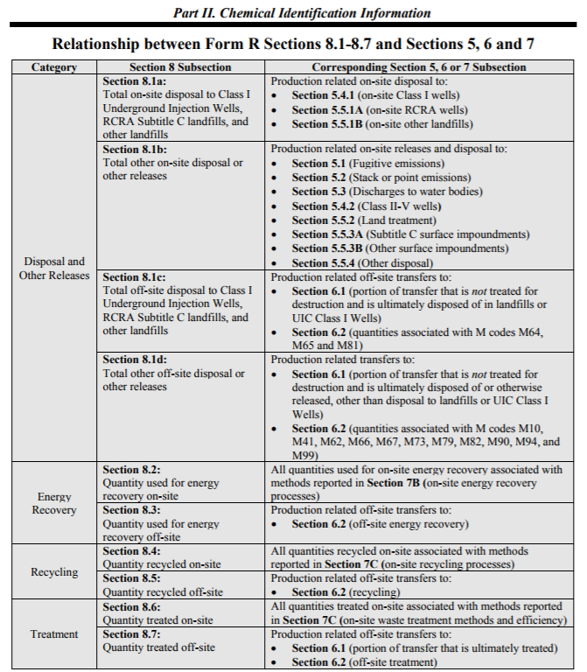

 | Non-production related waste managed (quantity released to environment from spill, etc.)
 | You should enter Not Applicable if there were no remedial actions, catastrophic events such as earthquakes, fires, or floods or one-time events not associated with normal or routine production processes. If there was a spill event, such as an ammonia release from refrigeration systems, report the value released here.

 | Production ratio or activity index
 | For facilities with biological treatment systems that trigger reporting by the manufacture of NH3 and NO3 during biological treatment, the production ratio should be calculated. The production parameter is typically pounds of product processed or live (or dressed) weight slaughtered. These parameters are typically directly related to wastewater treatment flow and associated manufacture of NH3 and NO3. It is important to use the same production parameter from year to year.

 | Example Calculation: | Current Year: 120,000,000 pounds live weight processed and total wastewater flow of 90,000,000 gallons.
 |  | Preceding Year: 100,000,000 pounds live weight processed and total wastewater flow of 100,000,000 gallons.
 |  | Production Ratio = 120,000,000/100,000,000 = 1.2

 | In some instances, it may be more appropriate to use the activity ratio. An example would be a facility that purchases over 10,000 lbs NH3 for refrigeration but otherwise would not be subject to reporting. In this case, the activity ratio would be calculated by dividing the current year ammonia purchased by the prior year's ammonia purchases.

 | Example Calculation: | Current Year: 15,000 pounds of NH3 purchased
 |  | Preceding Year: 5,000 pounds of NH3 purchased
 |  | Activity Ratio = 15,000/5,000 = 3.0

 | The key is to use the same parameter each year, otherwise, this calculation is not meaningful.

 | Source Reduction Activities
 | This section can be completed if your facility implemented source reduction activities during the calendar year. For NH3, this section is typically Not Applicable.

 | Optional Pollution Prevention Information
 | Completion of this section is not required.

Spills and Other 1-time Releases
This Reporting Tool is generally not setup to accommodate inputs for spills and other 1-time releases of TRI chemicals to the environment. The following examples are provided to give guidance in the event of a one-time release to the environment.

Example: Facility has a 100 pound ammonia release from the refrigeration systems.

 | Form R documentation: | This release would be considered a "fugitive or non-point air emissions" release and 100 pounds would need to be added in this data cell. Also, 100 pounds would need to be noted in the "Non-Production-Related Waste" management data cell.

Example: Facility spills a tote of peracetic acid, spilling 50 pounds onto the grass. Spill did not reach waterway.

 | Form R documentation: | This release would be considered "Disposal to Land Onsite - Other Disposal" and 50 pounds would need to be included in this data cell. Also, 50 pounds would need to be noted in the "Non-Production-Related Waste" management data cell.

Example: Facility has a raw wastewater spill directly into a receiving stream.

 | Form R documentation: | This release would be considered a "Discharge to receiving streams or water bodies" and the quantity released would need to be calculated based on the flow discharged and raw wastewater characteristics. Also, the quantity released would need to be noted in the "Non-Production-Related Waste" management data cell.

